Calibration
Force Sensor Calibration Curve
3.3 [V]
Force [kg] | Resistance [kOhm]
0.5 | 230
1 | 100
2 | 70
3 | 60
4 | 45
5 | 40
7 | 35
9 | 30
11 | 26
13 | 24
15 | 20
17 | 18
20 | 17
22 | 16

MSP430
Vcc [V] | Load Min [kg] | Load Max [kg] | R [kOhm] | Vo max [V] | Vo min [V] | DeltaV | ADC min | ADC max | deltaADC
5 | 0.001 | 22 | 50 | 3.796 | 0.023 | 3.773 | 9 | 1553 | 1544 | Vr- = AVSS // Vr+ = REF
3.3 | 0.001 | 22 | 50 | 2.505 | 0.015 | 2.490 | 6 | 1025 | 1019
3.6 | 0.001 | 22 | 50 | 2.733 | 0.016 | 2.717 | 7 | 1118 | 1112

5 | 0.001 | 22 | 40 | 3.580 | 0.018 | 3.562 | 5 | 1017 | 1012 | Vr- = AVSS // Vr+ = AVCC
3.3 | 0.001 | 22 | 50 | 2.505 | 0.015 | 2.490 | 4 | 712 | 708
3.6 | 0.001 | 22 | 50 | 2.733 | 0.016 | 2.717 | 5 | 777 | 772

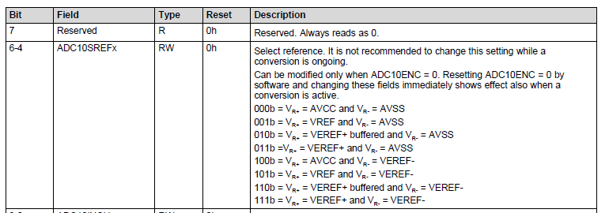
Vr- | AVSS | AVSS
 | 0 | 0
Vr+ | AVCC | REF
 | 3.6 | 2.5
 | (measured)

Need to select R to give largest range of Vo that ADC can accept for best resolution

Limitation to have 255 max value b/c 8 bits

